Pivot tables
Gender
Total Females | 4
Total Males | 2

Type of person
Numbers of Rural Persons | 0
Numbers of Urban Persons | 6

Area name | Sum of Total Persons
Central | 0
East | 1
New Delhi | 0
North | 0
North East | 0
North West | 0
South | 1
South West | 1
State - NCT OF DELHI | 3
West | 0
Grand Total | 6

Agegroup | Sum of Total Males | Sum of Total Females
0-4 years | 5868476 | 5169508
10-14 years | 7153264 | 6013128
15-24 years | 14982004 | 12415992
25-34 years | 13053884 | 11709672
35-59 years | 19385704 | 16705004
5-9 years | 6627852 | 5644416
60+ | 4328248 | 4294824
Age not stated | 73052 | 59896
All ages | 71472484 | 62012440
Grand Total | 142944968 | 124024880

States in India | Sum of Total Persons
Daman & Diu | 76
Grand Total | 76

Indian State | total persons
Andaman & Nicobar Islands | 1664
Andhra Pradesh | 92436
Arunachal Pradesh | 3680
Assam | 97896
Bihar | 4590868
Born elsewhere in the district of enumeration | 1889348
Born in other districts of the state | 0
Born in the place of enumeration | 38688772
Born Outside India | 757024
Born within India | 66333160
Chandigarh | 26268
Chhattisgarh | 51572
Dadra & Nagar Haveli | 144
Daman & Diu | 76
Goa | 3544
Gujarat | 84432
Haryana | 2635888
Himachal Pradesh | 330608
Jammu & Kashmir | 147416
Jharkhand | 292152
Karnataka | 50152
Kerala | 268764
Lakshadweep | 404
Madhya Pradesh | 550776
Maharashtra | 219548
Manipur | 25072
Meghalaya | 8152
Mizoram | 2492
Nagaland | 6208
NCT of Delhi | 0
Odisha | 177184
Puducherry | 1900
Punjab | 991424
Rajasthan | 1276052
Sikkim | 2992
States in India beyond the state of enumeration | 25755040
Tamil Nadu | 187580
Total Population | 67151764
Tripura | 5780
Unclassifiable | 61580
Uttar Pradesh | 11619444
Uttarakhand | 1241888
West Bengal | 760584
Within the state of enumeration | 40578120

Age group | Sum of Urban Males | Sum of Urban Females
0-4 years | 5696732 | 5028460
10-14 years | 6949808 | 5850272
15-24 years | 14592916 | 12096028
25-34 years | 12750340 | 11429708
35-59 years | 18945096 | 16331880
5-9 years | 6438492 | 5493452
60+ | 4221360 | 4186044
Grand Total | 69594744 | 60415844

Area name | Sum of Total Males | Sum of Total Females
Central | 2449772 | 2183736
East | 7222008 | 6379052
New Delhi | 619132 | 508180
North | 3779232 | 3285292
North East | 9497168 | 8415984
North West | 15590900 | 13475116
South | 11638464 | 10023408
South West | 9930468 | 8342068
State - NCT OF DELHI | 71472484 | 62012440
West | 10745340 | 9399604
Grand Total | 142944968 | 124024880

Indian State | total persons
Andaman & Nicobar Islands | 1664
Andhra Pradesh | 92436
Arunachal Pradesh | 3680
Assam | 97896
Bihar | 4590868
Born elsewhere in the district of enumeration | 1889348
Born in other districts of the state | 0
Born in the place of enumeration | 38688772
Born Outside India | 757024
Born within India | 66333160
Chandigarh | 26268
Chhattisgarh | 51572
Dadra & Nagar Haveli | 144
Daman & Diu | 76
Goa | 3544
Gujarat | 84432
Haryana | 2635888
Himachal Pradesh | 330608
Jammu & Kashmir | 147416
Jharkhand | 292152
Karnataka | 50152
Kerala | 268764
Lakshadweep | 404
Madhya Pradesh | 550776
Maharashtra | 219548
Manipur | 25072
Meghalaya | 8152
Mizoram | 2492
Nagaland | 6208
NCT of Delhi | 0
Odisha | 177184
Puducherry | 1900
Punjab | 991424
Rajasthan | 1276052
Sikkim | 2992
States in India beyond the state of enumeration | 25755040
Tamil Nadu | 187580
Total Population | 67151764
Tripura | 5780
Unclassifiable | 61580
Uttar Pradesh | 11619444
Uttarakhand | 1241888
West Bengal | 760584
Within the state of enumeration | 40578120

Dashboard
in

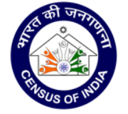
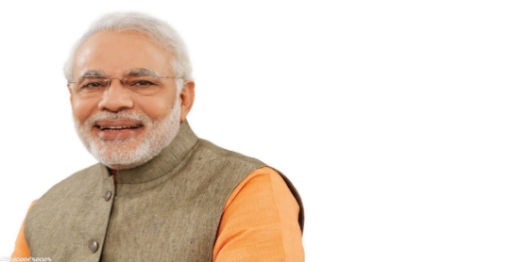
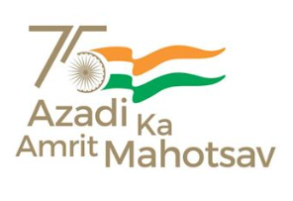

HOME/DATASET/D-01

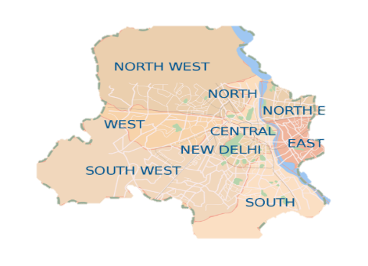
D-01 Appendix: Population classified by place of birth, age and sex, NCT of Delhi - 2011
India, 2011
Created on
Jan 19, 2021
Last modified
Jan 19, 2021
Page views
353
Downloads
359

POPULATION DASHBOARD

Gender Distribution
 | Total
Total Females | 4
Total Males | 2
Urban vs Rural Population
 | Total
Numbers of Rural Persons | 0
Numbers of Urban Persons | 6
Urban people according to their age group
 | Sum of Urban Males | Sum of Urban Females
0-4 years | 5696732 | 5028460
10-14 years | 6949808 | 5850272
15-24 years | 14592916 | 12096028
25-34 years | 12750340 | 11429708
35-59 years | 18945096 | 16331880
5-9 years | 6438492 | 5493452
60+ | 4221360 | 4186044

Population in different area of delhi
 | Total
Central | 0
East | 1
New Delhi | 0
North | 0
North East | 0
North West | 0
South | 1
South West | 1
State - NCT OF DELHI | 3
West | 0

Population of males and females according to their age group
 | Sum of Total Males | Sum of Total Females
0-4 years | 5868476 | 5169508
10-14 years | 7153264 | 6013128
15-24 years | 14982004 | 12415992
25-34 years | 13053884 | 11709672
35-59 years | 19385704 | 16705004
5-9 years | 6627852 | 5644416
60+ | 4328248 | 4294824
Age not stated | 73052 | 59896
All ages | 71472484 | 62012440

